FEEDDATA (2)
CATTLE FEED IN THE INDIAN MARKET
SL N O | Brand | Feed image | Quantity | Nutrient Content | price | price per kg | Container Type | Manufacturer | Expiry date | Feeding Instructions
1 | DairyGold |  | 50 kg | Protein: 20% min, Fat: 2.5% min, Crude Fiber: 10% max, Sand Silica: 2% max, Size: 4mm | ₹ 2,999 | ₹ 60 | HDP Bag | Bharat Feed & Extraction Limited | 7-Apr-23 | 2-3kg per day., It should be feed directly
2 | DairyGold |  | 18 kg | Protein: 20% min, Fat: 2.5% min, Crude Fiber: 10% max, Sand Silica: 2% max, Size: 4mm | ₹ 1,299 | ₹ 72 | HDP Bag | Bharat Feed & Extraction Limited | 30-Apr-23 | 2-3kg per day.It should be feed directly
3 | new krashak gold |  | 5 kg | kapass /cotten seed : 12 kg per bag khali/cotten seed cake : 12 per bag, DORP :16 kd, pellet : 10 kg | ₹ 750 | ₹ 150 | HDP Bag | Shree sanwariya cattle feed, Ujjain | 30-Oct-22
4 | Classy World |  | 15 kg |  | ₹ 1,699 | ₹ 113 | HDP Bag | Classy world | 22-Dec-24
5 | Platina-Diamond mash |  | 18 kg |  | ₹ 1,299 | ₹ 72 | HDP Bag | Bharat Feed & Extraction Limited
6 | BIO BLOOMS PELLET COW FOODS | 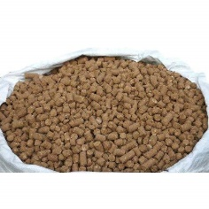 | 5 KG |  | ₹ 466 | ₹ 93 | HDP Bag | BIO BLOOMS AGRO INDIA
7 | Oberoi cattle feed | 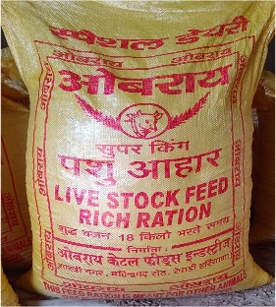 | 18 kg | Cattle feed contains protein, energy, minerals and vitamins required for the growth, maintenance and milk production of animals. ... It increases reproductive efficiency, milk production as well as fat content of milk. | ₹ 1,395 | ₹ 78 | HDP Bag | Oberoi cattle feeds industries
8 | Oberoi cottonseedcake binola |  | 1 kg | Whole Cottonseed A Super Feed for Dairy Cows Whole Cottonseed has energy, protein and fiber in greater concentrations than many other feedstuffs. That’s why it’s recognized by dairy producers nationwide as a cost-effective premier feedstuff for lactating cows of high genetic merit. In fact, more than 50% of the annual supply of whole cottonseed is consumed by dairy cattle | ₹ 429 | ₹ 429 | HDP Bag | Oberoi cattle feeds industries
9 | 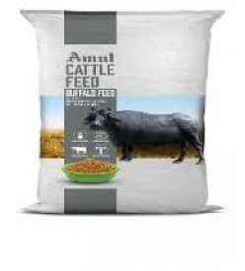 Amul buffalo special feed |  | 50 kg | Total digestible nutrients (T.O.N) is more than 85% Cattle feed with 22% protein and 7-8% fat Out of 7% fat 4% is bypass fat. Best feed for high yielding buffaloes Best Replacement of Cotton Seed Cake with Bypass Fat, Bypass Protein, Minerals and Vitamins. | ₹ 1,679 | ₹ 34 | HDP Bag | Amul, Kanjari, Gujarat |  | Buffalo- 2.0 kg for maintenance and 500 to 600 grams per litre of milk production
10 | Amul cattle feed |  | 50 kg | 5% bypass fat and 20% protein | ₹ 1,000 | ₹ 20 | gunny bags | Pratik feeds, Jalgaon
11 | CATTLE FEED |  | 50 KG |  | ₹ 980 | ₹ 20 | PP BAGS | kabir oil mills, UP

